Sheet1
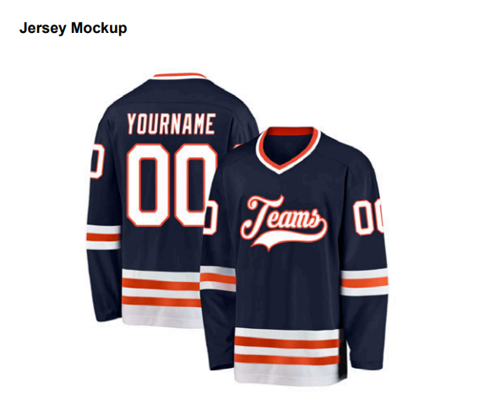
First Item | Size | Qty | Description

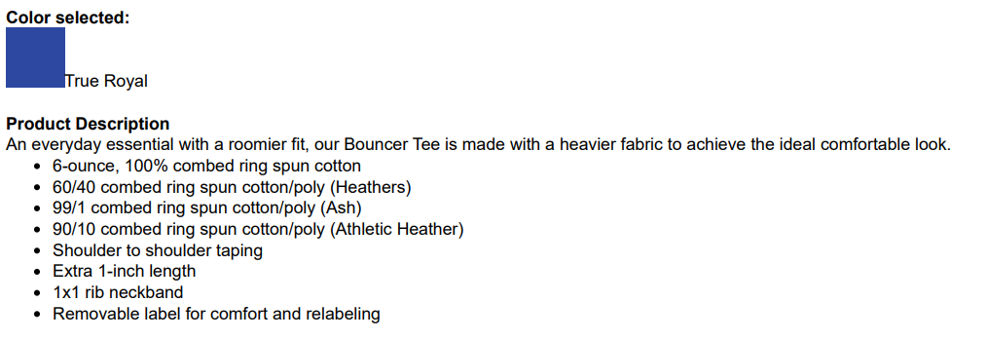
Port & Co Long Sleeve Bouncer Tee (Model # PC600LS) | Small | 50
 | Medium | 130
1 Large shirt should have CHRO on the back | Large | 130
 | X Large | 110
 | XX Large | 45
 | XXX Large | 25
 | XXXX Large | 10

Shirt Design - Logo will be provided:

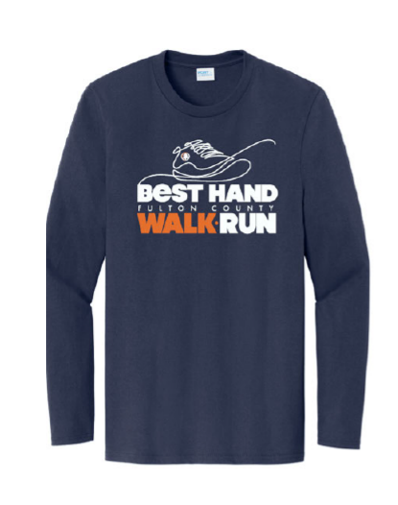

Second Item

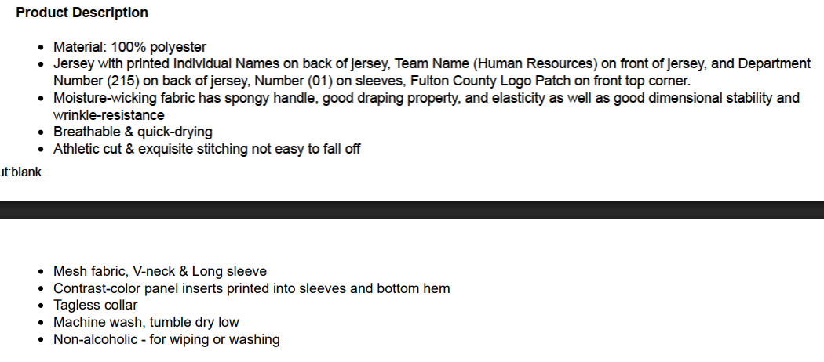
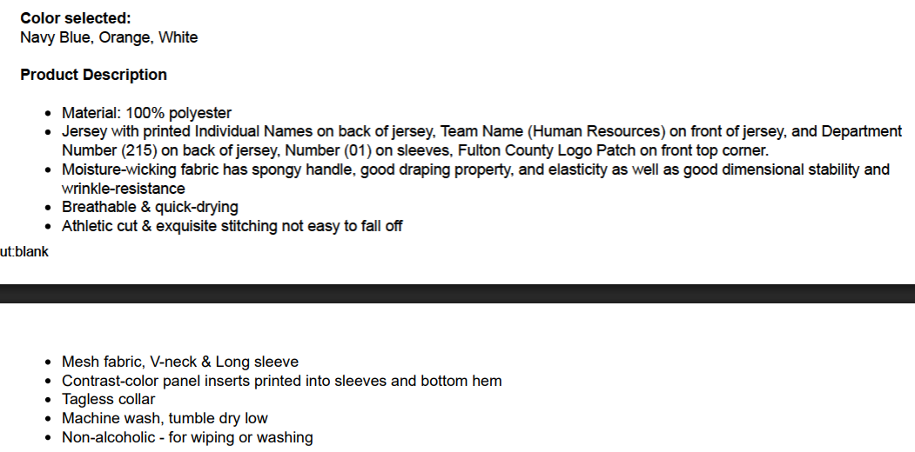
Custom Navy White and Orange Hockey Jersey | Small | 6 | Description:
 | Medium | 6
 | Large | 7
 | X Large | 8
 | XX Large | 7
 | XXX Large | 3
 | XXXX Large | 2
 | XXXXX Large | 1
Shirt Design:

